Sheet1
 |  |  |  |  |  |  |  |  |  |  |  |  |  |  |  |  |  |  |  | x0 | y0 | z0 |  | t (s) | t1 (s) | t2 (s) | x | y | z | h (total path length) |  |  |  |  |  |  | x | y | z | a |  |  | x | y | z | a
Mert Emrem - 250203015 |  |  |  |  |  |  |  |  |  |  | d1 | 125 | amax | 37.5 |  |  |  |  |  | 125 | 0 | 125 |  | 2.37978500 | 0.427 | 1.953 | -12.758 | -12.758 | -25.516 | 31.25 |  |  |  |  |  |  | -0.408 | -0.408 | -0.816 | 1.000 |  |  | 0.500 | 0.500 | 1.000 | 1.225
ME460 - Project 2 |  |  |  |  |  |  |  |  |  |  | s3, max | 125 | vmax | 16 |  |  |  |  |  | x1 | y1 | z1 |  |  |  |  |  |  |  |  |  |  |  |  |  |  |  |  |  |  |  |  |  |  |  | 1.225
Lengths in mm |  |  |  |  |  |  |  |  |  |  |  |  |  |  |  |  |  |  |  | 112.242 | -12.758 | 99.484 |  | t (s) | a | v | s | x | y | z | l | r | q1 (rad) | q2 (rad) | q1 (deg) | q2(deg) | s3 | q1˙(deg) | q2˙(deg) | s3˙ | q1¨(deg) | q2¨(deg) | s3 |  |  | q1 (rad) | q2 (rad) | s3 | Px | Py | Pz
acc, vel, disp versus time
 | Acceleration (mm/s^2) | Velocity (mm/s) | Displacement (mm)
0.00 | 1 | 1 | 1
0.00
0.10
0.20
0.30
0.40
0.43
0.50
0.60
0.70
0.80
0.90
1.00
1.10
1.20
1.30
1.40
1.50
1.60
1.70
1.80
1.90
1.95
2.00
2.10
2.20
2.30
2.38
q1 , q2 , s3 versus time
Forward Kinematics |  |  |  |  |  |  |  |  |  |  | Inverse Kinematics |  |  |  |  |  |  |  |  |  |  |  | 0 | 0.00 | 37.500 | 0.000 | 0.000 | 125.000 | 0.000 | 125.000 | 0.000 | 125.000 | 0.000 | 0.000 | 0.000 | 0.000 | 125.000 | 0.000 | 0.000 | 0.000 | 0.000 | 0.000 | 0.000 |  | 0 | 0.000 | 0.000 | 125.000 | 125 | 0 | 125
q1 (deg) | q2 (deg) | s3 | q1 (rad) | 0.79 | R1x | 0 | R2x | 0 | Px | 62.27 | x | y | z | 0 | l | 25.00 | q1 (rad) | 0.54041950027 | q2 (rad) | 0.40503965071 | s3 | 63.44 | 1 | 0.10 | 37.500 | 3.750 | 0.188 | 124.923 | -0.077 | 124.847 | -0.153 | 124.923 | -0.001 | -0.001 | -0.035 | -0.070 | 124.924 | -0.351 | -0.702 | -0.764 | -0.351 | -0.702 | -0.764 |  | 1 | -0.001 | -0.001 | 124.924 | 124.92345345 | -0.076546554462 | 124.84690689
45 | 33 | 105 | q2 (rad) | 0.58 | R1y | 0 | R2y | 0 | Py | 62.27 | 50 | 30 | 150 | 0 | r | 58.31 | q1 (deg) | 30.963756532 | q2(deg) | 23.207062521 |  | 63 | 2 | 0.20 | 37.500 | 7.500 | 0.750 | 124.694 | -0.306 | 124.388 | -0.612 | 124.694 | -0.002 | -0.005 | -0.141 | -0.281 | 124.696 | -1.056 | -2.112 | -2.279 | -0.705 | -1.409 | -1.514 |  | 2 | -0.002 | -0.005 | 124.696 | 124.69381378 | -0.30618621785 | 124.38762756
Data disappeared for some reason.
See static graph below or the one in the report instead.
 |  |  |  |  | R1z | 0 | R2z | 125 | Pz | 182.19 |  |  |  | 0 | 0 |  |  |  |  |  |  |  | 3 | 0.30 | 37.500 | 11.250 | 1.687 | 124.311 | -0.689 | 123.622 | -1.378 | 124.313 | -0.006 | -0.011 | -0.318 | -0.635 | 124.321 | -1.768 | -3.536 | -3.751 | -0.713 | -1.425 | -1.472 |  | 3 | -0.006 | -0.011 | 124.321 | 124.31108101 | -0.68891899016 | 123.62216202
 |  |  |  |  |  |  |  |  |  |  |  |  |  |  | 0 |  |  |  |  |  |  |  | 4 | 0.40 | 37.500 | 15.000 | 3.000 | 123.775 | -1.225 | 122.551 | -2.449 | 123.781 | -0.010 | -0.020 | -0.567 | -1.134 | 123.806 | -2.494 | -4.987 | -5.151 | -0.726 | -1.450 | -1.400 |  | 4 | -0.010 | -0.020 | 123.806 | 123.77525513 | -1.2247448714 | 122.55051026
 | q2 (deg) |  |  |  |  |  |  |  |  |  | x_real | y_real |  |  | 125 |  |  |  |  |  |  |  | 5 | 0.43 | 37.500 | 16.000 | 3.413 | 123.607 | -1.393 | 122.213 | -2.787 | 123.614 | -0.011 | -0.023 | -0.646 | -1.292 | 123.646 | -2.962 | -5.921 | -5.991 | -0.468 | -0.934 | -0.841 |  | 5 | -0.011 | -0.023 | 123.646 | 123.6065125 | -1.3934874981 | 122.213025
 | 123 |  |  |  |  |  |  |  |  |  | 175 | 155 |  |  |  |  |  |  |  |  |  |  | 6 | 0.50 | 0.000 | 16.000 | 4.587 | 123.128 | -1.872 | 121.255 | -3.745 | 123.142 | -0.015 | -0.030 | -0.871 | -1.742 | 123.199 | -3.073 | -6.142 | -6.097 | -0.111 | -0.221 | -0.106 |  | 6 | -0.015 | -0.030 | 123.199 | 123.12750117 | -1.8724988256 | 121.25500235
 |  |  |  |  |  |  |  |  |  |  |  |  |  |  |  |  |  |  |  |  |  |  | 7 | 0.60 | 0.000 | 16.000 | 6.187 | 122.474 | -2.526 | 119.949 | -5.051 | 122.500 | -0.021 | -0.041 | -1.181 | -2.361 | 122.604 | -3.101 | -6.193 | -5.942 | -0.028 | -0.052 | 0.155 |  | 7 | -0.021 | -0.041 | 122.604 | 122.47430391 | -2.5256960903 | 119.94860782
Top view (x-y)
0.00 | 0.00
62.27 | 62.27
Side view (y-z)
0 | 0 | 0.00 | 125.00
0 | 125 | 62.27 | 182.19
Top view (x-y)
0 | 0
50 | 30
Side view (y-z)
0 | 0 | 0 | 125
0 | 125 | 30 | 150
 |  |  |  |  |  |  |  |  |  |  |  |  |  |  |  |  |  |  |  |  |  |  | 8 | 0.70 | 0.000 | 16.000 | 7.787 | 121.821 | -3.179 | 118.642 | -6.358 | 121.863 | -0.026 | -0.052 | -1.495 | -2.987 | 122.028 | -3.134 | -6.252 | -5.761 | -0.033 | -0.059 | 0.181 |  | 8 | -0.026 | -0.052 | 122.028 | 121.82110664 | -3.1788933551 | 118.64221329
 |  |  |  |  |  |  |  |  |  |  |  |  |  |  |  |  |  |  |  |  |  |  | 9 | 0.80 | 0.000 | 16.000 | 9.387 | 121.168 | -3.832 | 117.336 | -7.664 | 121.228 | -0.032 | -0.063 | -1.811 | -3.617 | 121.471 | -3.167 | -6.310 | -5.578 | -0.033 | -0.057 | 0.183 |  | 9 | -0.032 | -0.063 | 121.471 | 121.16790937 | -3.8320906198 | 117.33581876
 |  |  |  |  |  |  |  |  |  |  |  |  |  |  |  |  |  |  |  |  |  |  | 10 | 0.90 | 0.000 | 16.000 | 10.987 | 120.515 | -4.485 | 116.029 | -8.971 | 120.598 | -0.037 | -0.074 | -2.131 | -4.254 | 120.931 | -3.200 | -6.366 | -5.392 | -0.033 | -0.056 | 0.186 |  | 10 | -0.037 | -0.074 | 120.931 | 120.51471211 | -4.4852878846 | 116.02942423
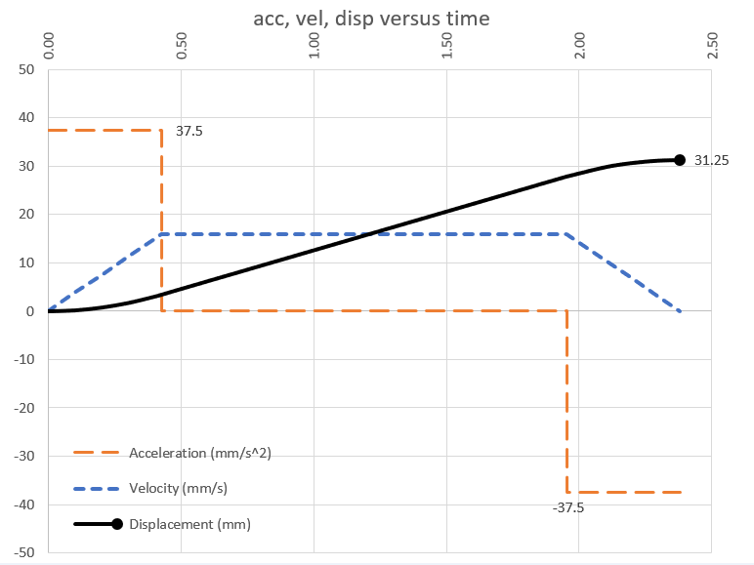
 |  |  |  |  |  |  |  |  |  |  |  |  |  |  |  |  |  |  |  |  |  |  | 11 | 1.00 | 0.000 | 16.000 | 12.587 | 119.862 | -5.138 | 114.723 | -10.277 | 119.972 | -0.043 | -0.085 | -2.455 | -4.896 | 120.411 | -3.233 | -6.420 | -5.203 | -0.034 | -0.055 | 0.188 |  | 11 | -0.043 | -0.085 | 120.411 | 119.86151484 | -5.1384851493 | 114.72302971
 |  |  |  |  |  |  |  |  |  |  |  |  |  |  |  |  |  |  |  |  |  |  | 12 | 1.10 | 0.000 | 16.000 | 14.187 | 119.208 | -5.792 | 113.417 | -11.583 | 119.349 | -0.049 | -0.097 | -2.782 | -5.543 | 119.910 | -3.267 | -6.474 | -5.013 | -0.034 | -0.053 | 0.191 |  | 12 | -0.049 | -0.097 | 119.910 | 119.20831758 | -5.791682414 | 113.41663518
 |  |  |  |  |  |  |  |  |  |  |  |  |  |  |  |  |  |  |  |  |  |  | 13 | 1.20 | 0.000 | 16.000 | 15.787 | 118.555 | -6.445 | 112.110 | -12.890 | 118.730 | -0.054 | -0.108 | -3.112 | -6.196 | 119.428 | -3.301 | -6.525 | -4.819 | -0.034 | -0.051 | 0.193 |  | 13 | -0.054 | -0.108 | 119.428 | 118.55512031 | -6.4448796788 | 112.11024065
 |  |  |  |  |  |  |  |  |  |  |  |  |  |  |  |  |  |  |  |  |  |  | 14 | 1.30 | 0.000 | 16.000 | 17.387 | 117.902 | -7.098 | 110.804 | -14.196 | 118.115 | -0.060 | -0.120 | -3.445 | -6.853 | 118.965 | -3.336 | -6.575 | -4.624 | -0.034 | -0.050 | 0.196 |  | 14 | -0.060 | -0.120 | 118.965 | 117.90192305 | -7.0980769435 | 110.80384612
 |  |  |  |  |  |  |  |  |  |  |  |  |  |  |  |  |  |  |  |  |  |  | 15 | 1.40 | 0.000 | 16.000 | 18.987 | 117.249 | -7.751 | 109.497 | -15.503 | 117.505 | -0.066 | -0.131 | -3.782 | -7.516 | 118.523 | -3.371 | -6.623 | -4.426 | -0.035 | -0.048 | 0.198 |  | 14 | -0.066 | -0.131 | 118.523 | 117.24872578 | -7.7512742083 | 109.49745159
 |  |  |  |  |  |  |  |  |  |  |  |  |  |  |  |  |  |  |  |  |  |  | 16 | 1.50 | 0.000 | 16.000 | 20.587 | 116.596 | -8.404 | 108.191 | -16.809 | 116.898 | -0.072 | -0.143 | -4.123 | -8.183 | 118.100 | -3.406 | -6.669 | -4.225 | -0.035 | -0.046 | 0.200 |  | 16 | -0.072 | -0.143 | 118.100 | 116.59552851 | -8.404471473 | 108.19105706
 |  |  |  |  |  |  |  |  |  |  |  |  |  |  |  |  |  |  |  |  |  |  | 17 | 1.60 | 0.000 | 16.000 | 22.187 | 115.942 | -9.058 | 106.885 | -18.115 | 116.296 | -0.078 | -0.155 | -4.467 | -8.854 | 117.698 | -3.441 | -6.712 | -4.023 | -0.035 | -0.044 | 0.202 |  | 17 | -0.078 | -0.155 | 117.698 | 115.94233125 | -9.0576687378 | 106.88466253
 |  |  |  |  |  |  |  |  |  |  |  |  |  |  |  |  |  |  |  |  |  |  | 18 | 1.70 | 0.000 | 16.000 | 23.787 | 115.289 | -9.711 | 105.578 | -19.422 | 115.697 | -0.084 | -0.166 | -4.815 | -9.529 | 117.316 | -3.477 | -6.754 | -3.819 | -0.036 | -0.042 | 0.204 |  | 18 | -0.084 | -0.166 | 117.316 | 115.28913398 | -9.7108660025 | 105.578268
 |  |  |  |  |  |  |  |  |  |  |  |  |  |  |  |  |  |  |  |  |  |  | 19 | 1.80 | 0.000 | 16.000 | 25.387 | 114.636 | -10.364 | 104.272 | -20.728 | 115.103 | -0.090 | -0.178 | -5.166 | -10.209 | 116.955 | -3.513 | -6.793 | -3.612 | -0.036 | -0.039 | 0.206 |  | 19 | -0.090 | -0.178 | 116.955 | 114.63593672 | -10.364063267 | 104.27187347
 |  |  |  |  |  |  |  |  |  |  |  |  |  |  |  |  |  |  |  |  |  |  | 20 | 1.90 | 0.000 | 16.000 | 26.987 | 113.983 | -11.017 | 102.965 | -22.035 | 114.514 | -0.096 | -0.190 | -5.521 | -10.892 | 116.615 | -3.549 | -6.831 | -3.404 | -0.036 | -0.037 | 0.208 |  | 20 | -0.096 | -0.190 | 116.615 | 113.98273945 | -11.017260532 | 102.96547894
 |  |  |  |  |  |  |  |  |  |  |  |  |  |  |  |  |  |  |  |  |  |  | 21 | 1.953 | 0.000 | 16.000 | 27.837 | 113.636 | -11.364 | 102.271 | -22.729 | 114.203 | -0.100 | -0.196 | -5.711 | -11.256 | 116.442 | -3.577 | -6.857 | -3.243 | -0.028 | -0.027 | 0.161 |  | 21 | -0.100 | -0.196 | 116.442 | 113.6357284 | -11.364271579 | 102.27145685
 |  |  |  |  |  |  |  |  |  |  |  |  |  |  |  |  |  |  |  |  |  |  | 22 | 2.00 | -37.500 | 12.250 | 28.399 | 113.406 | -11.594 | 101.812 | -23.188 | 113.997 | -0.102 | -0.201 | -5.837 | -11.498 | 116.332 | -2.695 | -5.154 | -2.362 | 0.854 | 1.676 | 1.041 |  | 22 | -0.102 | -0.201 | 116.332 | 113.40608874 | -11.593911242 | 101.81217752
 |  |  |  |  |  |  |  |  |  |  |  |  |  |  |  |  |  |  |  |  |  |  | 23 | 2.10 | -37.500 | 10.492 | 29.782 | 112.841 | -12.159 | 100.683 | -24.317 | 113.495 | -0.107 | -0.211 | -6.150 | -12.093 | 116.070 | -3.125 | -5.957 | -2.611 | 0.452 | 0.900 | 0.632 |  | 23 | -0.107 | -0.211 | 116.070 | 112.84147318 | -12.158526801 | 100.68294641
 |  |  |  |  |  |  |  |  |  |  |  |  |  |  |  |  |  |  |  |  |  |  | 24 | 2.20 | -37.500 | 6.742 | 30.644 | 112.490 | -12.510 | 99.979 | -25.021 | 113.183 | -0.111 | -0.218 | -6.346 | -12.466 | 115.916 | -1.961 | -3.723 | -1.547 | 1.164 | 2.234 | 1.065 |  | 24 | -0.111 | -0.218 | 115.916 | 112.48967797 | -12.510322007 | 99.979355995
 |  |  |  |  |  |  |  |  |  |  |  |  |  |  |  |  |  |  |  |  |  |  | 25 | 2.30 | -37.500 | 2.992 | 31.131 | 112.291 | -12.709 | 99.582 | -25.418 | 113.008 | -0.113 | -0.221 | -6.457 | -12.676 | 115.831 | -1.113 | -2.107 | -0.846 | 0.849 | 1.617 | 0.700 |  | 25 | -0.113 | -0.221 | 115.831 | 112.29097587 | -12.709024105 | 99.5819518
 |  |  |  |  |  |  |  |  |  |  |  |  |  |  |  |  |  |  |  |  |  |  | 26 | 2.380 | -37.500 | 0.000 | 31.250 | 112.242 | -12.758 | 99.484 | -25.516 | 112.965 | -0.113 | -0.222 | -6.485 | -12.728 | 115.811 | -0.343 | -0.648 | -0.256 | 0.770 | 1.459 | 0.590 |  | 26 | -0.113 | -0.222 | 115.811 | 112.2422409 | -12.757759077 | 99.484481857
Front view (x-z)
 | d1
0 | 0 | 0.00 | 125.00
0 | 125 | 62.27 | 182.19
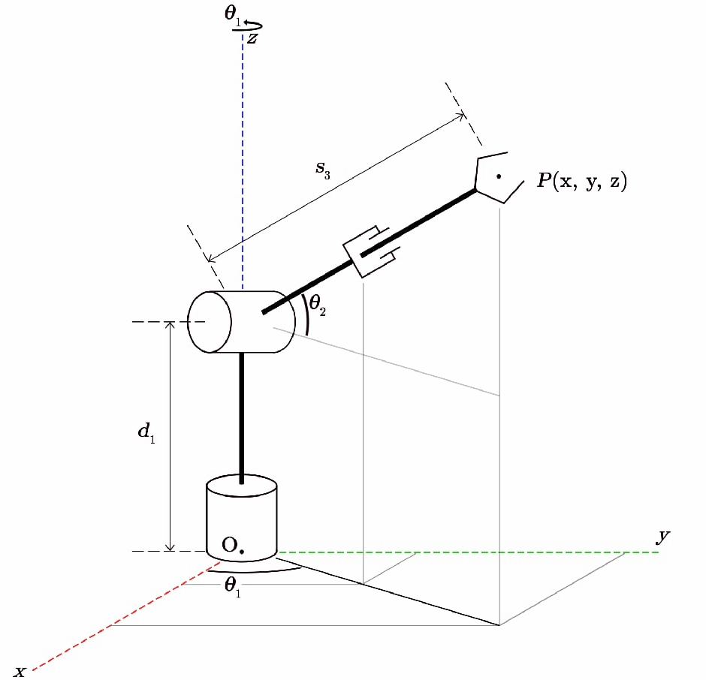
Front view (x-z)
 | d1
0 | 0 | 0 | 125
0 | 125 | 50 | 150
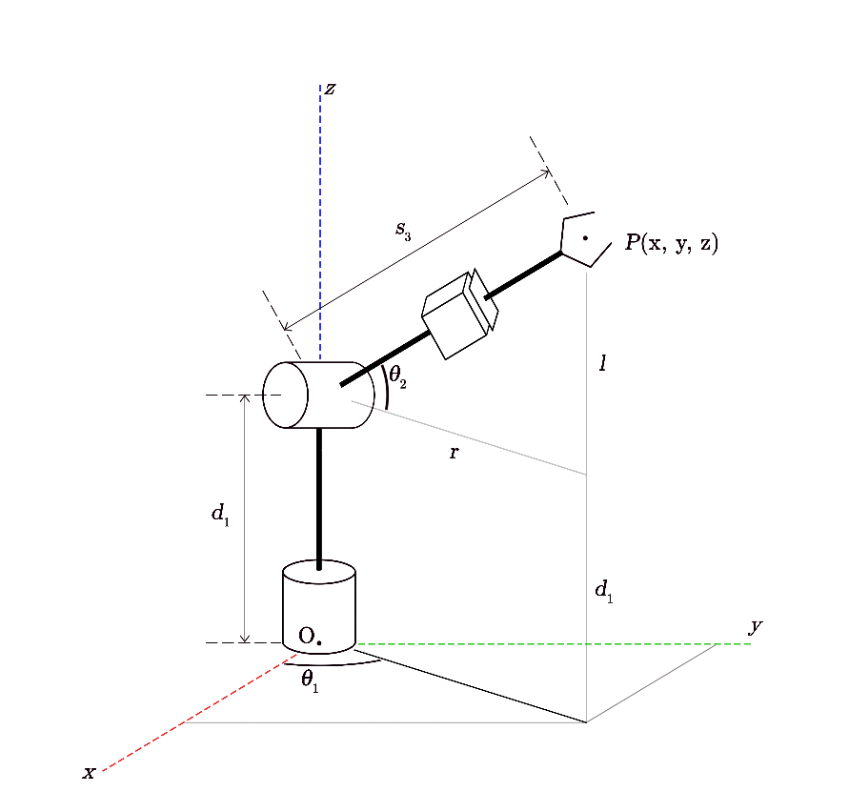
q˙
 |  |  |  |  |  |  |  |  |  |  |  |  |  |  |  |  |  |  |  |  |  |  |  | 0.00 | x | y | z | V | vx | vy | vz | ax | ay | az | q1 (rad) | q2(rad) | s3 | q1˙(rad) | q2˙(rad) | s3˙ | q1¨(rad) | q2¨(rad) | s3
 |  |  |  |  |  |  |  |  |  |  |  |  |  |  |  |  |  |  |  |  |  |  |  | 0.00 | 125.000 | 0.000 | 125.000 | 0.000 | 0.000 | 0.000 | 0.000 | -15.309 | -15.309 | -30.619 | 0.000 | 0.000 | 125.000 | 0.000 | 0.000 | 0.000 | 0.000 | 0.000 | 0.000
 |  |  |  |  |  |  |  |  |  |  |  |  |  |  |  |  |  |  |  |  |  |  |  | 0.10 | 124.923 | -0.077 | 124.847 | 3.750 | -1.531 | -1.531 | -3.062 | -15.309 | -15.309 | -30.619 | -0.001 | -0.001 | 124.924 | -0.012 | -0.025 | -1.526 | -0.012 | -0.025 | -1.526
 |  |  |  |  |  |  |  |  |  |  |  |  |  |  |  |  |  |  |  |  |  |  |  | 0.20 | 124.694 | -0.306 | 124.388 | 7.500 | -3.062 | -3.062 | -6.124 | -15.309 | -15.309 | -30.619 | -0.002 | -0.005 | 124.696 | -0.025 | -0.049 | -3.024 | -0.012 | -0.025 | -1.498
 |  |  |  |  |  |  |  |  |  |  |  |  |  |  |  |  |  |  |  |  |  |  |  | 0.30 | 124.311 | -0.689 | 123.622 | 11.250 | -4.593 | -4.593 | -9.186 | -15.309 | -15.309 | -30.619 | -0.006 | -0.011 | 124.321 | -0.037 | -0.074 | -4.465 | -0.013 | -0.025 | -1.441
 |  |  |  |  |  |  |  |  |  |  |  |  |  |  |  |  |  |  |  |  |  |  |  | 0.40 | 123.775 | -1.225 | 122.551 | 15.000 | -6.124 | -6.124 | -12.247 | -15.309 | -15.309 | -30.619 | -0.010 | -0.020 | 123.806 | -0.050 | -0.100 | -5.819 | -0.013 | -0.026 | -1.354
 |  |  |  |  |  |  |  |  |  |  |  |  |  |  |  |  |  |  |  |  |  |  |  | 0.43 | 123.607 | -1.393 | 122.213 | 16.000 | -6.532 | -6.532 | -13.064 | -15.309 | -15.309 | -30.619 | -0.011 | -0.023 | 123.646 | -0.053 | -0.107 | -6.162 | -0.003 | -0.007 | -0.342
 |  |  |  |  |  |  |  |  |  |  |  |  |  |  |  |  |  |  |  |  |  |  |  | 0.50 | 123.128 | -1.872 | 121.255 | 16.000 | -6.532 | -6.532 | -13.064 | 0.000 | 0.000 | 0.000 | -0.015 | -0.030 | 123.199 | -0.054 | -0.108 | -6.032 | 0.000 | -0.001 | 0.130
 |  |  |  |  |  |  |  |  |  |  |  |  |  |  |  |  |  |  |  |  |  |  |  | 0.60 | 122.474 | -2.526 | 119.949 | 16.000 | -6.532 | -6.532 | -13.064 | 0.000 | 0.000 | 0.000 | -0.021 | -0.041 | 122.604 | -0.054 | -0.109 | -5.852 | -0.001 | -0.001 | 0.180
 |  |  |  |  |  |  |  |  |  |  |  |  |  |  |  |  |  |  |  |  |  |  |  | 0.70 | 121.821 | -3.179 | 118.642 | 16.000 | -6.532 | -6.532 | -13.064 | 0.000 | 0.000 | 0.000 | -0.026 | -0.052 | 122.028 | -0.055 | -0.110 | -5.670 | -0.001 | -0.001 | 0.182
 |  |  |  |  |  |  |  |  |  |  |  |  |  |  |  |  |  |  |  |  |  |  |  | 0.80 | 121.168 | -3.832 | 117.336 | 16.000 | -6.532 | -6.532 | -13.064 | 0.000 | 0.000 | 0.000 | -0.032 | -0.063 | 121.471 | -0.056 | -0.111 | -5.485 | -0.001 | -0.001 | 0.185
 |  |  |  |  |  |  |  |  |  |  |  |  |  |  |  |  |  |  |  |  |  |  |  | 0.90 | 120.515 | -4.485 | 116.029 | 16.000 | -6.532 | -6.532 | -13.064 | 0.000 | 0.000 | 0.000 | -0.037 | -0.074 | 120.931 | -0.056 | -0.112 | -5.298 | -0.001 | -0.001 | 0.187
 |  |  |  |  |  |  |  |  |  |  |  |  |  |  |  |  |  |  |  |  |  |  |  | 1.00 | 119.862 | -5.138 | 114.723 | 16.000 | -6.532 | -6.532 | -13.064 | 0.000 | 0.000 | 0.000 | -0.043 | -0.085 | 120.411 | -0.057 | -0.113 | -5.108 | -0.001 | -0.001 | 0.190
 |  |  |  |  |  |  |  |  |  |  |  |  |  |  |  |  |  |  |  |  |  |  |  | 1.10 | 119.208 | -5.792 | 113.417 | 16.000 | -6.532 | -6.532 | -13.064 | 0.000 | 0.000 | 0.000 | -0.049 | -0.097 | 119.910 | -0.057 | -0.113 | -4.916 | -0.001 | -0.001 | 0.192
q¨
 |  |  |  |  |  |  |  |  |  |  |  |  |  |  |  |  |  |  |  |  |  |  |  | 1.20 | 118.555 | -6.445 | 112.110 | 16.000 | -6.532 | -6.532 | -13.064 | 0.000 | 0.000 | 0.000 | -0.054 | -0.108 | 119.428 | -0.058 | -0.114 | -4.722 | -0.001 | -0.001 | 0.195
 |  |  |  |  |  |  |  |  |  |  |  |  |  |  |  |  |  |  |  |  |  |  |  | 1.30 | 117.902 | -7.098 | 110.804 | 16.000 | -6.532 | -6.532 | -13.064 | 0.000 | 0.000 | 0.000 | -0.060 | -0.120 | 118.965 | -0.059 | -0.115 | -4.525 | -0.001 | -0.001 | 0.197
 |  |  |  |  |  |  |  |  |  |  |  |  |  |  |  |  |  |  |  |  |  |  |  | 1.40 | 117.249 | -7.751 | 109.497 | 16.000 | -6.532 | -6.532 | -13.064 | 0.000 | 0.000 | 0.000 | -0.066 | -0.131 | 118.523 | -0.059 | -0.116 | -4.326 | -0.001 | -0.001 | 0.199
 |  |  |  |  |  |  |  |  |  |  |  |  |  |  |  |  |  |  |  |  |  |  |  | 1.50 | 116.596 | -8.404 | 108.191 | 16.000 | -6.532 | -6.532 | -13.064 | 0.000 | 0.000 | 0.000 | -0.072 | -0.143 | 118.100 | -0.060 | -0.117 | -4.125 | -0.001 | -0.001 | 0.201
 |  |  |  |  |  |  |  |  |  |  |  |  |  |  |  |  |  |  |  |  |  |  |  | 1.60 | 115.942 | -9.058 | 106.885 | 16.000 | -6.532 | -6.532 | -13.064 | 0.000 | 0.000 | 0.000 | -0.078 | -0.155 | 117.698 | -0.060 | -0.118 | -3.921 | -0.001 | -0.001 | 0.203
 |  |  |  |  |  |  |  |  |  |  |  |  |  |  |  |  |  |  |  |  |  |  |  | 1.70 | 115.289 | -9.711 | 105.578 | 16.000 | -6.532 | -6.532 | -13.064 | 0.000 | 0.000 | 0.000 | -0.084 | -0.166 | 117.316 | -0.061 | -0.118 | -3.716 | -0.001 | -0.001 | 0.205
 |  |  |  |  |  |  |  |  |  |  |  |  |  |  |  |  |  |  |  |  |  |  |  | 1.80 | 114.636 | -10.364 | 104.272 | 16.000 | -6.532 | -6.532 | -13.064 | 0.000 | 0.000 | 0.000 | -0.090 | -0.178 | 116.955 | -0.062 | -0.119 | -3.508 | -0.001 | -0.001 | 0.207
 |  |  |  |  |  |  |  |  |  |  |  |  |  |  |  |  |  |  |  |  |  |  |  | 1.90 | 113.983 | -11.017 | 102.965 | 16.000 | -6.532 | -6.532 | -13.064 | 0.000 | 0.000 | 0.000 | -0.096 | -0.190 | 116.615 | -0.062 | -0.120 | -3.299 | -0.001 | -0.001 | 0.209
 |  |  |  |  |  |  |  |  |  |  |  |  |  |  |  |  |  |  |  |  |  |  |  | 1.953 | 113.636 | -11.364 | 102.271 | 16.000 | -6.532 | -6.532 | -13.064 | 0.000 | 0.000 | 0.000 | -0.100 | -0.196 | 116.442 | -0.063 | -0.120 | -3.187 | 0.000 | 0.000 | 0.112
 |  |  |  |  |  |  |  |  |  |  |  |  |  |  |  |  |  |  |  |  |  |  |  | 2.00 | 113.406 | -11.594 | 101.812 | 12.250 | -5.001 | -5.001 | -10.002 | 15.309 | 15.309 | 30.619 | -0.102 | -0.201 | 116.332 | -0.048 | -0.092 | -2.383 | 0.014 | 0.028 | 0.916
 |  |  |  |  |  |  |  |  |  |  |  |  |  |  |  |  |  |  |  |  |  |  |  | 2.10 | 112.841 | -12.159 | 100.683 | 10.492 | -4.283 | -4.283 | -8.567 | 15.309 | 15.309 | 30.619 | -0.107 | -0.211 | 116.070 | -0.042 | -0.079 | -1.921 | 0.021 | 0.041 | 1.266
 |  |  |  |  |  |  |  |  |  |  |  |  |  |  |  |  |  |  |  |  |  |  |  | 2.20 | 112.490 | -12.510 | 99.979 | 6.742 | -2.752 | -2.752 | -5.505 | 15.309 | 15.309 | 30.619 | -0.111 | -0.218 | 115.916 | -0.027 | -0.051 | -1.186 | 0.015 | 0.028 | 0.735
 |  |  |  |  |  |  |  |  |  |  |  |  |  |  |  |  |  |  |  |  |  |  |  | 2.30 | 112.291 | -12.709 | 99.582 | 2.992 | -1.222 | -1.222 | -2.443 | 15.309 | 15.309 | 30.619 | -0.113 | -0.221 | 115.831 | -0.012 | -0.023 | -0.514 | 0.015 | 0.028 | 0.672
 |  |  |  |  |  |  |  |  |  |  |  |  |  |  |  |  |  |  |  |  |  |  |  | 2.380 | 112.242 | -12.758 | 99.484 | 0.000 | 0.000 | 0.000 | 0.000 | 15.309 | 15.309 | 30.619 | -0.113 | -0.222 | 115.811 | 0.000 | 0.000 | 0.000 | 0.012 | 0.023 | 0.514

 |  |  |  |  |  |  |  |  |  |  |  |  |  |  |  |  |  |  |  |  |  |  |  |  |  |  |  |  |  |  |  |  |  |  | q1 (deg) | q2(deg) | s3 | q1˙(deg) | q2˙(deg) | s3˙ | q1¨(deg) | q2¨(deg) | s3
 |  |  |  |  |  |  |  |  |  |  |  |  |  |  |  |  |  |  |  |  |  |  |  |  |  |  |  |  |  |  |  |  |  |  | 0.000 | 0.000 | 125.000 | 0.000 | 0.000 | 0.000 | 0.000 | 0.000 | 0.000
 |  |  |  |  |  |  |  |  |  |  |  |  |  |  |  |  |  |  |  |  |  |  |  |  |  |  |  |  |  |  |  |  |  |  | -0.035 | -0.070 | 124.924 | -0.703 | -1.405 | -1.526 | -0.012 | -0.025 | -1.526
 |  |  |  |  |  |  |  |  |  |  |  |  |  |  |  |  |  |  |  |  |  |  |  |  |  |  |  |  |  |  |  |  |  |  | -0.141 | -0.281 | 124.696 | -1.410 | -2.821 | -3.024 | -0.012 | -0.025 | -1.498
 |  |  |  |  |  |  |  |  |  |  |  |  |  |  |  |  |  |  |  |  |  |  |  |  |  |  |  |  |  |  |  |  |  |  | -0.318 | -0.635 | 124.321 | -2.129 | -4.256 | -4.465 | -0.013 | -0.025 | -1.441
 |  |  |  |  |  |  |  |  |  |  |  |  |  |  |  |  |  |  |  |  |  |  |  |  |  |  |  |  |  |  |  |  |  |  | -0.567 | -1.134 | 123.806 | -2.862 | -5.722 | -5.819 | -0.013 | -0.026 | -1.354
 |  |  |  |  |  |  |  |  |  |  |  |  |  |  |  |  |  |  |  |  |  |  |  |  |  |  |  |  |  |  |  |  |  |  | -0.646 | -1.292 | 123.646 | -3.062 | -6.120 | -6.162 | -0.003 | -0.007 | -0.342
 |  |  |  |  |  |  |  |  |  |  |  |  |  |  |  |  |  |  |  |  |  |  |  |  |  |  |  |  |  |  |  |  |  |  | -0.871 | -1.742 | 123.199 | -3.085 | -6.164 | -6.032 | 0.000 | -0.001 | 0.130
 |  |  |  |  |  |  |  |  |  |  |  |  |  |  |  |  |  |  |  |  |  |  |  |  |  |  |  |  |  |  |  |  |  |  | -1.181 | -2.361 | 122.604 | -3.117 | -6.223 | -5.852 | -0.001 | -0.001 | 0.180
 |  |  |  |  |  |  |  |  |  |  |  |  |  |  |  |  |  |  |  |  |  |  |  |  |  |  |  |  |  |  |  |  |  |  | -1.495 | -2.987 | 122.028 | -3.150 | -6.281 | -5.670 | -0.001 | -0.001 | 0.182
 |  |  |  |  |  |  |  |  |  |  |  |  |  |  |  |  |  |  |  |  |  |  |  |  |  |  |  |  |  |  |  |  |  |  | -1.811 | -3.617 | 121.471 | -3.183 | -6.338 | -5.485 | -0.001 | -0.001 | 0.185
 |  |  |  |  |  |  |  |  |  |  |  |  |  |  |  |  |  |  |  |  |  |  |  |  |  |  |  |  |  |  |  |  |  |  | -2.131 | -4.254 | 120.931 | -3.217 | -6.393 | -5.298 | -0.001 | -0.001 | 0.187
 |  |  |  |  |  |  |  |  |  |  |  |  |  |  |  |  |  |  |  |  |  |  |  |  |  |  |  |  |  |  |  |  |  |  | -2.455 | -4.896 | 120.411 | -3.250 | -6.447 | -5.108 | -0.001 | -0.001 | 0.190
 |  |  |  |  |  |  |  |  |  |  |  |  |  |  |  |  |  |  |  |  |  |  |  |  |  |  |  |  |  |  |  |  |  |  | -2.782 | -5.543 | 119.910 | -3.284 | -6.500 | -4.916 | -0.001 | -0.001 | 0.192
 |  |  |  |  |  |  |  |  |  |  |  |  |  |  |  |  |  |  |  |  |  |  |  |  |  |  |  |  |  |  |  |  |  |  | -3.112 | -6.196 | 119.428 | -3.319 | -6.550 | -4.722 | -0.001 | -0.001 | 0.195
 |  |  |  |  |  |  |  |  |  |  |  |  |  |  |  |  |  |  |  |  |  |  |  |  |  |  |  |  |  |  |  |  |  |  | -3.445 | -6.853 | 118.965 | -3.353 | -6.599 | -4.525 | -0.001 | -0.001 | 0.197
 |  |  |  |  |  |  |  |  |  |  |  |  |  |  |  |  |  |  |  |  |  |  |  |  |  |  |  |  |  |  |  |  |  |  | -3.782 | -7.516 | 118.523 | -3.388 | -6.646 | -4.326 | -0.001 | -0.001 | 0.199
 |  |  |  |  |  |  |  |  |  |  |  |  |  |  |  |  |  |  |  |  |  |  |  |  |  |  |  |  |  |  |  |  |  |  | -4.123 | -8.183 | 118.100 | -3.423 | -6.691 | -4.125 | -0.001 | -0.001 | 0.201
 |  |  |  |  |  |  |  |  |  |  |  |  |  |  |  |  |  |  |  |  |  |  |  |  |  |  |  |  |  |  |  |  |  |  | -4.467 | -8.854 | 117.698 | -3.459 | -6.734 | -3.921 | -0.001 | -0.001 | 0.203
 |  |  |  |  |  |  |  |  |  |  |  |  |  |  |  |  |  |  |  |  |  |  |  |  |  |  |  |  |  |  |  |  |  |  | -4.815 | -9.529 | 117.316 | -3.495 | -6.774 | -3.716 | -0.001 | -0.001 | 0.205
 |  |  |  |  |  |  |  |  |  |  |  |  |  |  |  |  |  |  |  |  |  |  |  |  |  |  |  |  |  |  |  |  |  |  | -5.166 | -10.209 | 116.955 | -3.531 | -6.812 | -3.508 | -0.001 | -0.001 | 0.207
 |  |  |  |  |  |  |  |  |  |  |  |  |  |  |  |  |  |  |  |  |  |  |  |  |  |  |  |  |  |  |  |  |  |  | -5.521 | -10.892 | 116.615 | -3.567 | -6.848 | -3.299 | -0.001 | -0.001 | 0.209
 |  |  |  |  |  |  |  |  |  |  |  |  |  |  |  |  |  |  |  |  |  |  |  |  |  |  |  |  |  |  |  |  |  |  | -5.711 | -11.256 | 116.442 | -3.587 | -6.866 | -3.187 | 0.000 | 0.000 | 0.112
 |  |  |  |  |  |  |  |  |  |  |  |  |  |  |  |  |  |  |  |  |  |  |  |  |  |  |  |  |  |  |  |  |  |  | -5.837 | -11.498 | 116.332 | -2.756 | -5.266 | -2.383 | 0.014 | 0.028 | 0.916
 |  |  |  |  |  |  |  |  |  |  |  |  |  |  |  |  |  |  |  |  |  |  |  |  |  |  |  |  |  |  |  |  |  |  | -6.150 | -12.093 | 116.070 | -2.382 | -4.528 | -1.921 | 0.021 | 0.041 | 1.266
 |  |  |  |  |  |  |  |  |  |  |  |  |  |  |  |  |  |  |  |  |  |  |  |  |  |  |  |  |  |  |  |  |  |  | -6.346 | -12.466 | 115.916 | -1.539 | -2.916 | -1.186 | 0.015 | 0.028 | 0.735
 |  |  |  |  |  |  |  |  |  |  |  |  |  |  |  |  |  |  |  |  |  |  |  |  |  |  |  |  |  |  |  |  |  |  | -6.457 | -12.676 | 115.831 | -0.685 | -1.296 | -0.514 | 0.015 | 0.028 | 0.672
 |  |  |  |  |  |  |  |  |  |  |  |  |  |  |  |  |  |  |  |  |  |  |  |  |  |  |  |  |  |  |  |  |  |  | -6.485 | -12.728 | 115.811 | 0.000 | 0.000 | 0.000 | 0.012 | 0.023 | 0.514

